Figure
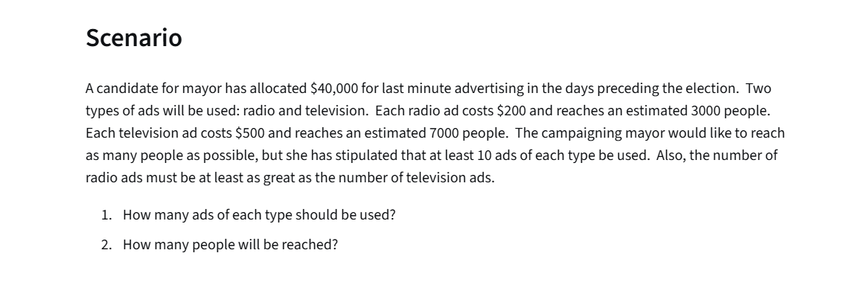
Campaign Marketing

 | No.of Radio Ads | No.of TV Ads
Variables: | 175 | 10
 | 3000 | 5000

Objectives(max):
No.of people reached: | 575000

Constraint Table: |  |  | LHS | Sign | RHS | (LHS formula)
Budget: | 200 | 500 | 40000 | <= | 40000
at least 10 radio | 1 |  | 175 | >= | 10
at least 10 tv |  | 1 | 10 | >= | 10
R >= T | 1 | -1 | 165 | >= | 0

